SHOPEE 26th Anniversary Carolin


10-31 OCTOBER 2026

 |  |  |  |  |  |  | "Voucher 26k off for min spend Rp 3.000.000 (CAROBDAY26) , kuota: 100 Voucher 126k off for min spend Rp 8.000.000 (CAROBDAY126) , kuota: 100 Voucher 260k off for min spend Rp 10.000.000 (CAROBDAY126) , kuota: 50"
Anniversary Promo |  |  |  |  |  |  | 26th Anniversary Super Voucher | FLASH SALE every day from 12:00-18:00 ! |  |  |  |  |  |  |  |  | Free Gift
Jenis | Merk | Kode | Harga Jual | Total Stok | disc sale web | disc sale e-comm |  | TANGGAL | Produk | Sku | Harga | Stok Flash Sale | Disc Normal | Disc Flash Sale Kilat | Harga Jual Sekarang | Harga Disc. Flash Sale
JTA | AIGNER | A130216 | 9,640,000 | 1 | 25 | 25 |  | 10-Oct-26 | CASIO | A158WA-1D | 669,000 | 3 | 22% | 23% | 521,820 | 515,130
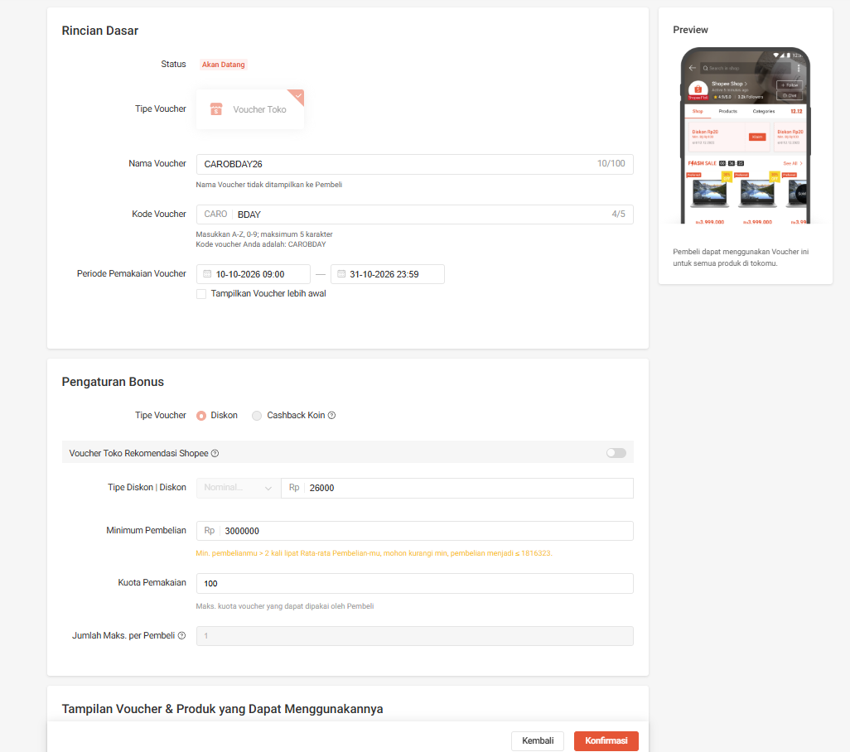
JTA | AIGNER | A141110 | 12,060,000 | 1 | 25 | 25 |  |  | CASIO | F-91W-1D | 419,000 | 3 | 22% | 23% | 326,820 | 322,630
JTA | AIGNER | A141213 | 12,060,000 | 1 | 25 | 25 |  |  | CASIO | LA670WA-7D | 819,000 | 3 | 22% | 23% | 638,820 | 630,630
JTA | AIGNER | A154206 | 11,090,000 | 1 | 25 | 25 |  |  | CASIO | LTP-V007L-9B | 559,000 | 3 | 22% | 23% | 436,020 | 430,430
JTA | AIGNER | A44122 | 10,810,000 | 1 | 25 | 25 |  |  | CASIO | A168WA-1W | 879,000 | 3 | 22% | 23% | 685,620 | 676,830
JTA | AIGNER | A44124 | 8,810,000 | 1 | 25 | 25 |  | 11-Oct-26 | CASIO | MQ-24-1E | 299,000 | 3 | 22% | 23% | 233,220 | 230,230
JTA | AIGNER | AGA111115 | 10,700,000 | 1 | 25 | 25 |  |  | CASIO | MTP-V004L-1A | 589,000 | 3 | 22% | 23% | 459,420 | 453,530
JTA | AIGNER | AGA111122 | 9,390,000 | 1 | 25 | 25 |  |  | CASIO | A159WA-N1 | 749,000 | 3 | 22% | 23% | 584,220 | 576,730
JTA | AIGNER | AGA127101 | 9,880,000 | 1 | 25 | 25 |  |  | CASIO | F-91W-3D | 419,000 | 3 | 22% | 23% | 326,820 | 322,630
JTA | AIGNER | AGA127102 | 9,880,000 | 2 | 25 | 25 |  |  | G SHOCK | DW-9052-1V | 1,279,000 | 3 | 30% | 31% | 895,300 | 882,510
JTA | AIGNER | AGA127107 | 10,700,000 | 4 | 25 | 25 |  | 12-Oct-26 | CASIO | LTP-V007D-7B | 659,000 | 3 | 22% | 23% | 514,020 | 507,430
JTA | AIGNER | AGA130207 | 9,880,000 | 1 | 25 | 25 |  |  | CASIO | LTP-V007L-7B1 | 559,000 | 3 | 22% | 23% | 436,020 | 430,430
JTA | AIGNER | AGA13211 | 14,290,000 | 1 | 40 | 35 |  |  | CASIO | AQ-230A-1D | 1,039,000 | 3 | 22% | 23% | 810,420 | 800,030
JTA | AIGNER | AGA26367 | 12,390,000 | 1 | 40 | 35 |  |  | CASIO | LQ-139AMV-1E | 309,000 | 3 | 22% | 23% | 241,020 | 237,930
JTA | ALBA | AG8H12X1 | 900 | 1 | 35 | 25 |  |  | CASIO | LTP-1094Q-9A | 669,000 | 3 | 22% | 23% | 521,820 | 515,130
JTA | ALBA | AG8H44X1 | 1,070,000 | 4 | 30 | 25 |  | 13-Oct-26 | CASIO | LQ-139AMV-1B3 | 309,000 | 3 | 22% | 23% | 241,020 | 237,930
JTA | ALBA | AH7CC4X1 | 1,110,000 | 4 | 23 | 17 |  |  | CASIO | LTP-V007L-7B2 | 559,000 | 3 | 22% | 23% | 436,020 | 430,430
JTA | ALBA | AH7CC8X1 | 980 | 8 | 23 | 17 |  |  | CASIO | LTP-V007L-7E1 | 559,000 | 3 | 22% | 23% | 436,020 | 430,430
JTA | ALBA | AH7CD0X1 | 1,110,000 | 1 | 23 | 17 |  |  | CASIO | MQ-24-7B | 299,000 | 3 | 22% | 23% | 233,220 | 230,230
JTA | ALBA | AH7CD5X1 | 690 | 1 | 25 | 17 |  |  | G SHOCK | GA-2100-1A1 | 2,539,000 | 3 | 30% | 31% | 1,777,300 | 1,751,910
JTA | ALBA | AH7CE8X1 | 650 | 12 | 23 | 17 |  | 14-Oct-26 | CASIO | LQ-139BMV-7E | 309,000 | 3 | 22% | 23% | 241,020 | 237,930
JTA | ALBA | AH7CG0X1 | 640 | 6 | 25 | 17 |  |  | CASIO | LTP-V007D-4E | 659,000 | 3 | 22% | 23% | 514,020 | 507,430
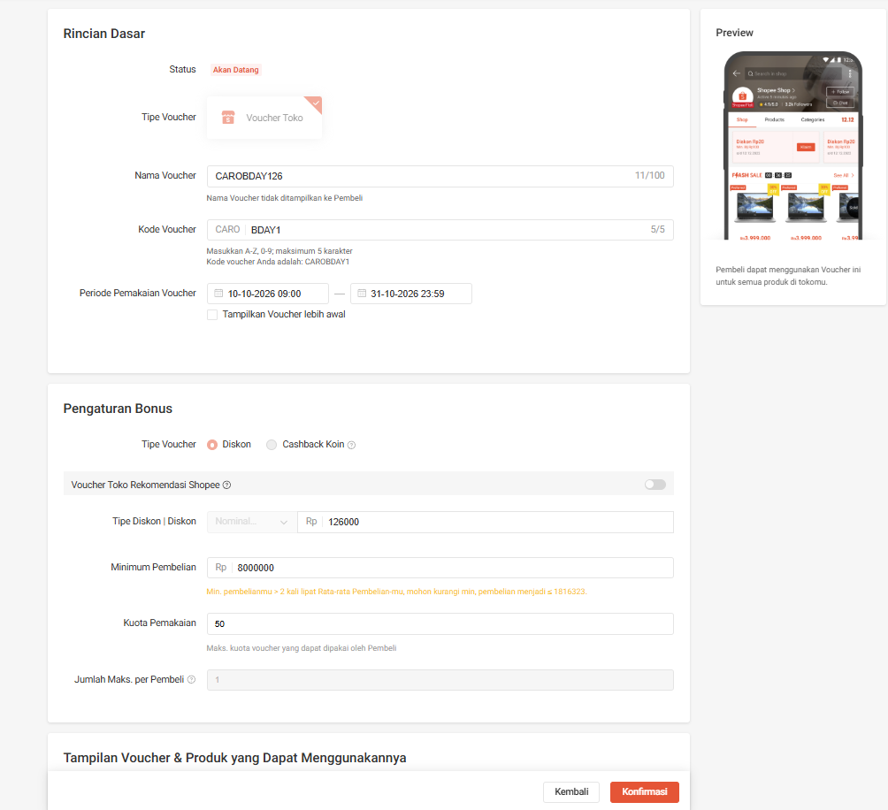
JTA | ALBA | AH7H43X1 | 860 | 4 | 30 | 25 |  |  | CASIO | LTP-V007G-9B | 909,000 | 3 | 22% | 23% | 709,020 | 699,930
JTA | ALBA | AH7H45X1 | 860 | 3 | 30 | 25 |  |  | CASIO | LTP-V001D-7B | 559,000 | 3 | 22% | 23% | 436,020 | 430,430
JTA | ALBA | AH8319X1 | 860 | 9 | 30 | 25 |  |  | CASIO | MTP-V001L-1B | 489,000 | 3 | 22% | 23% | 381,420 | 376,530
JTA | ALBA | AH8321X1 | 810 | 5 | 30 | 25 |  | 15-Oct-26 |  | TBC |  | 3 | 30% | 31% | 0 | 0
JTA | ALBA | AH8323X1 | 870 | 3 | 30 | 25 |  |  |  | TBC |  | 3 | 30% | 31% | 0 | 0
JTA | ALBA | AH8529X1 | 790 | 7 | 30 | 25 |  |  |  | TBC |  | 3 | 30% | 31% | 0 | 0
JTA | ALBA | AH8630X1 | 1,110,000 | 4 | 30 | 25 |  |  |  | TBC |  | 3 | 30% | 31% | 0 | 0
JTA | ALBA | AL4339X1 | 1,790,000 | 1 | 25 | 17 |  |  |  | TBC |  | 3 | 30% | 31% | 0 | 0
JTA | ALBA | AL4437X1 | 1,850,000 | 2 | 23 | 17 |  | 16-Oct-26 |  | TBC |  | 3 | 30% | 31% | 0 | 0
JTA | ALBA | AL4441X1 | 1,850,000 | 1 | 25 | 17 |  |  |  | TBC |  | 3 | 30% | 31% | 0 | 0
JTA | ALBA | AL4457X1 | 1,880,000 | 39 | 25 | 17 |  |  |  | TBC |  | 3 | 30% | 31% | 0 | 0
JTA | ALBA | AL4539X1 | 2,120,000 | 4 | 25 | 17 |  |  |  | TBC |  | 3 | 30% | 31% | 0 | 0
JTA | ALBA | AP6456X1 | 1,270,000 | 11 | 30 | 25 |  |  |  | TBC |  | 3 | 30% | 31% | 0 | 0
JTA | ALBA | AP6457X1 | 1,070,000 | 11 | 30 | 25 |  | 17-Oct-26 |  | TBC |  | 3 | 30% | 31% | 0 | 0
JTA | ALBA | AP6518X1 | 1,040,000 | 10 | 30 | 25 |  |  |  | TBC |  | 3 | 30% | 31% | 0 | 0
JTA | ALBA | AS9C12X1 | 966 | 2 | 35 | 25 |  |  |  | TBC |  | 3 | 30% | 31% | 0 | 0
JTA | ALBA | AS9C14X1 | 937 | 1 | 35 | 25 |  |  |  | TBC |  | 3 | 30% | 31% | 0 | 0
JTA | ALBA | AS9C81X1 | 790 | 1 | 30 | 25 |  |  |  | TBC |  | 3 | 30% | 31% | 0 | 0
JTA | ALBA | AS9D95X1 | 810 | 4 | 30 | 25 |  | 18-Oct-26 |  | TBC |  | 3 | 30% | 31% | 0 | 0
JTA | ALBA | AS9G56X1 | 1,170,000 | 1 | 35 | 25 |  |  |  | TBC |  | 3 | 30% | 31% | 0 | 0
JTA | ALBA | AS9H94X1 | 910 | 1 | 30 | 25 |  |  |  | TBC |  | 3 | 30% | 31% | 0 | 0
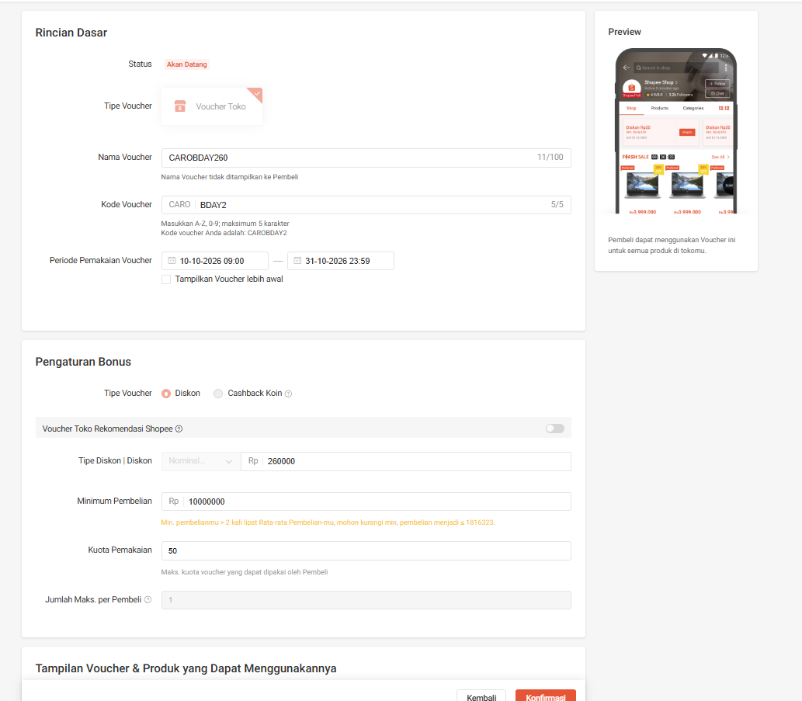
JTA | ALBA | AS9P99X1 | 1,030,000 | 2 | 30 | 25 |  |  |  | TBC |  | 3 | 30% | 31% | 0 | 0
JTA | ALBA | AS9Q01X1 | 1,030,000 | 11 | 30 | 25 |  |  |  | TBC |  | 3 | 30% | 31% | 0 | 0
JTA | ALBA | AS9Q09X1 | 1,030,000 | 11 | 30 | 25 |  | 19-Oct-26 |  | TBC |  | 3 | 30% | 31% | 0 | 0
JTA | ALBA | AS9R28X1 | 1,180,000 | 1 | 23 | 17 |  |  |  | TBC |  | 3 | 30% | 31% | 0 | 0
JTA | ALBA | AS9S08X1 | 650 | 16 | 25 | 17 |  |  |  | TBC |  | 3 | 30% | 31% | 0 | 0
JTA | ALBA | AS9S10X1 | 650 | 37 | 25 | 17 |  |  |  | TBC |  | 3 | 30% | 31% | 0 | 0
JTA | ALBA | AS9S22X1 | 640 | 39 | 25 | 17 |  |  |  | TBC |  | 3 | 30% | 31% | 0 | 0
JTA | ALBA | AS9S24X1 | 640 | 42 | 25 | 17 |  | 20-Oct-26 |  | TBC |  | 3 | 30% | 31% | 0 | 0
JTA | ALBA | AS9S26X1 | 640 | 44 | 25 | 17 |  |  |  | TBC |  | 3 | 30% | 31% | 0 | 0
JTA | ALBA | AT3912X1 | 1,270,000 | 4 | 30 | 25 |  |  |  | TBC |  | 3 | 30% | 31% | 0 | 0
JTA | ALBA | AT3J13X1 | 1,450,000 | 1 | 23 | 17 |  |  |  | TBC |  | 3 | 30% | 31% | 0 | 0
JTA | ALBA | AT3J15X1 | 1,450,000 | 4 | 23 | 17 |  |  |  | TBC |  | 3 | 30% | 31% | 0 | 0
JTA | ALBA | AV3286X1 | 980 | 1 | 35 | 25 |  | 21-Oct-26 |  | TBC |  | 3 | 30% | 31% | 0 | 0
JTA | BABY G | BA-110-4A2 | 2,599,000 | 2 | 40 | normal |  |  |  | TBC |  | 3 | 30% | 31% | 0 | 0
JTA | BABY G | BA-110CH-1A | 3,299,000 | 1 | 40 | normal |  |  |  | TBC |  | 3 | 30% | 31% | 0 | 0
JTA | BABY G | BA-110NC-6A | 2,599,000 | 3 | 40 | normal |  |  |  | TBC |  | 3 | 30% | 31% | 0 | 0
JTA | BABY G | BA-110NR-8A | 2,729,000 | 1 | 40 | normal |  |  |  | TBC |  | 3 | 30% | 31% | 0 | 0
JTA | BABY G | BA-110SC-2A | 2,729,000 | 5 | 40 | normal |  | 22-Oct-26 |  | TBC |  | 3 | 30% | 31% | 0 | 0
JTA | BABY G | BA-110X-7A3 | 2,729,000 | 1 | 40 | normal |  |  |  | TBC |  | 3 | 30% | 31% | 0 | 0
JTA | BABY G | BA-110XBC-1A | 2,729,000 | 1 | 40 | normal |  |  |  | TBC |  | 3 | 30% | 31% | 0 | 0
JTA | BABY G | BA-110XSW-7A | 2,729,000 | 2 | 40 | normal |  |  |  | TBC |  | 3 | 30% | 31% | 0 | 0
JTA | BABY G | BA-110XWS-7A | 2,729,000 | 3 | 40 | normal |  |  |  | TBC |  | 3 | 30% | 31% | 0 | 0
JTA | BABY G | BA-120T-1A | 2,729,000 | 2 | 40 | normal |  | 23-Oct-26 |  | TBC |  | 3 | 30% | 31% | 0 | 0
JTA | BABY G | BA-120TG-4A | 2,729,000 | 7 | 40 | normal |  |  |  | TBC |  | 3 | 30% | 31% | 0 | 0
JTA | BABY G | BA-130-1A | 2,599,000 | 1 | 40 | normal |  |  |  | TBC |  | 3 | 30% | 31% | 0 | 0
JTA | BABY G | BA-130SW-5A | 2,729,000 | 3 | 40 | normal |  |  |  | TBC |  | 3 | 30% | 31% | 0 | 0
JTA | BABY G | BA-130WP-4A | 2,729,000 | 3 | 40 | normal |  |  |  | TBC |  | 3 | 30% | 31% | 0 | 0
JTA | BABY G | BA-130WP-6A | 2,729,000 | 4 | 40 | normal |  | 24-Oct-26 |  | TBC |  | 3 | 30% | 31% | 0 | 0
JTA | BABY G | BGA-100ST-4A | 2,569,000 | 1 | 40 | normal |  |  |  | TBC |  | 3 | 30% | 31% | 0 | 0
JTA | BABY G | BGA-190BC-1B | 2,599,000 | 1 | 40 | normal |  |  |  | TBC |  | 3 | 30% | 31% | 0 | 0
JTA | BABY G | BGA-225G-1A | 3,089,000 | 3 | 40 | normal |  |  |  | TBC |  | 3 | 30% | 31% | 0 | 0
JTA | BABY G | BGA-230PC-9B | 2,729,000 | 6 | 40 | normal |  |  |  | TBC |  | 3 | 30% | 31% | 0 | 0
JTA | BABY G | BGA-230S-3A | 2,599,000 | 1 | 40 | normal |  | 25-Oct-26 |  | TBC |  | 3 | 30% | 31% | 0 | 0
JTA | BABY G | BGA-250-2A | 1,959,000 | 1 | 40 | normal |  |  |  | TBC |  | 3 | 30% | 31% | 0 | 0
JTA | BABY G | BGA-255-4A | 2,059,000 | 1 | 40 | normal |  |  |  | TBC |  | 3 | 30% | 31% | 0 | 0
JTA | BABY G | BGA-310-7A2 | 2,599,000 | 2 | 40 | normal |  |  |  | TBC |  | 3 | 30% | 31% | 0 | 0
JTA | BABY G | BGA-310C-1A | 2,759,000 | 1 | 40 | normal |  |  |  | TBC |  | 3 | 30% | 31% | 0 | 0
JTA | BABY G | BGA-320-3A | 2,279,000 | 7 | 40 | normal |  | 26-Oct-26 |  | TBC |  | 3 | 30% | 31% | 0 | 0
JTA | BABY G | BGA-320-4A | 2,279,000 | 2 | 40 | normal |  |  |  | TBC |  | 3 | 30% | 31% | 0 | 0
JTA | BABY G | BGA-320-7A2 | 2,279,000 | 2 | 40 | normal |  |  |  | TBC |  | 3 | 30% | 31% | 0 | 0
JTA | BABY G | BGS-100GS-1A | 2,659,000 | 6 | 40 | normal |  |  |  | TBC |  | 3 | 30% | 31% | 0 | 0
JTA | BABY G | BLX-570-1D | 1,819,000 | 4 | 40 | normal |  |  |  | TBC |  | 3 | 30% | 31% | 0 | 0
JTA | BONIA | B10108-1542LE | 7,800,000 | 1 | 70 | 60 |  | 27-Oct-26 |  | TBC |  | 3 | 30% | 31% | 0 | 0
JTA | CALVIN KLEIN | K4G23626 | 4,180,000 | 1 | 60 | normal |  |  |  | TBC |  | 3 | 30% | 31% | 0 | 0
JTA | CASIO | A100WEF-3A | 969 | 1 | 30 | normal |  |  |  | TBC |  | 3 | 30% | 31% | 0 | 0
JTA | CASIO | A100WEF-8A | 969 | 6 | 30 | normal |  |  |  | TBC |  | 3 | 30% | 31% | 0 | 0
JTA | CASIO | A100WEG-9A | 1,539,000 | 5 | 30 | normal |  |  |  | TBC |  | 3 | 30% | 31% | 0 | 0
JTA | CASIO | A120WEG-9A | 1,989,000 | 5 | 30 | normal |  | 28-Oct-26 |  | TBC |  | 3 | 30% | 31% | 0 | 0
JTA | CASIO | A171WEG-9A | 1,509,000 | 2 | 30 | normal |  |  |  | TBC |  | 3 | 30% | 31% | 0 | 0
JTA | CASIO | LA680WEL-3D | 919 | 1 | 30 | normal |  |  |  | TBC |  | 3 | 30% | 31% | 0 | 0
JTA | CASIO | LF-10WH-2D | 619 | 8 | 30 | normal |  |  |  | TBC |  | 3 | 30% | 31% | 0 | 0
JTA | CASIO | LF-10WH-3D | 619 | 13 | 30 | normal |  |  |  | TBC |  | 3 | 30% | 31% | 0 | 0
JTA | CASIO | LF-10WH-4D | 619 | 15 | 30 | normal |  | 29-Oct-26 |  | TBC |  | 3 | 30% | 31% | 0 | 0
JTA | CASIO | LF-10WH-8D | 619 | 9 | 30 | normal |  |  |  | TBC |  | 3 | 30% | 31% | 0 | 0
JTA | CASIO | LF-20W-1A | 629 | 10 | 30 | normal |  |  |  | TBC |  | 3 | 30% | 31% | 0 | 0
JTA | CASIO | LF-20W-3A | 629 | 32 | 30 | normal |  |  |  | TBC |  | 3 | 30% | 31% | 0 | 0
JTA | CASIO | LF-20W-5A | 629 | 11 | 30 | normal |  |  |  | TBC |  | 3 | 30% | 31% | 0 | 0
JTA | CASIO | LF-20W-8A | 629 | 9 | 30 | normal |  | 30-Oct-26 |  | TBC |  | 3 | 30% | 31% | 0 | 0
JTA | CASIO | LF-20W-8A2 | 629 | 8 | 30 | normal |  |  |  | TBC |  | 3 | 30% | 31% | 0 | 0
JTA | CASIO | LRW-200H-2B | 539 | 2 | 30 | normal |  |  |  | TBC |  | 3 | 30% | 31% | 0 | 0
JTA | CASIO | LTP-2088L-2A | 1,419,000 | 1 | 50 | normal |  |  |  | TBC |  | 3 | 30% | 31% | 0 | 0
JTA | CASIO | LTP-VT02D-2A | 729 | 6 | 30 | normal |  |  |  | TBC |  | 3 | 30% | 31% | 0 | 0
JTA | CASIO | LW-200-2B | 569 | 3 | 30 | normal
JTA | CASIO | MRW-200H-2B | 539 | 7 | 30 | normal
JTA | CASIO | MRW-200H-3B | 539 | 5 | 30 | normal
JTA | CASIO | MRW-200H-4B | 539 | 2 | 30 | normal
JTA | CASIO | MRW-200H-9B | 539 | 5 | 30 | normal
JTA | CASIO | MRW-200HC-2B | 569 | 1 | 30 | normal
JTA | CASIO | MRW-200HC-4B | 569 | 42 | 30 | normal
JTA | CASIO | MTP-1128G-9A | 769 | 1 | 30 | normal
JTA | CASIO | MTP-1128N-9A | 919 | 5 | 30 | normal
JTA | CASIO | MTP-1129N-7A | 919 | 9 | 30 | normal
JTA | CASIO | MTP-1170N-7A | 959 | 1 | 30 | normal
JTA | CASIO | MTP-B155D-5E | 1,509,000 | 4 | 30 | normal
JTA | CASIO | MTP-B205M-1E | 1,989,000 | 3 | 30 | normal
JTA | CASIO | MTP-B205M-7E | 1,889,000 | 3 | 30 | normal
JTA | CASIO | MTP-B300M-1A | 1,779,000 | 4 | 30 | normal
JTA | CASIO | MTP-E145D-1B | 1,129,000 | 6 | 30 | normal
JTA | CASIO | MTP-E720D-1A | 1,669,000 | 4 | 30 | normal
JTA | CASIO | MTP-E720D-8A | 1,669,000 | 2 | 30 | normal
JTA | CASIO | MTP-E725D-1A | 1,569,000 | 1 | 30 | normal
JTA | CASIO | MTP-E725D-2A | 1,569,000 | 3 | 30 | normal
JTA | CASIO | MTP-E725D-3A | 1,619,000 | 1 | 30 | normal
JTA | CASIO | MTP-E725L-5A | 1,619,000 | 6 | 30 | normal
JTA | CASIO | MTP-E725L-8A | 1,619,000 | 3 | 30 | normal
JTA | CASIO | MTP-V002G-1B | 809 | 1 | 30 | normal
JTA | CASIO | MTP-V002G-7B2 | 809 | 1 | 30 | normal
JTA | CASIO | MTP-V004G-7B | 829 | 3 | 30 | normal
JTA | CASIO | MTP-V004G-7B2 | 789 | 2 | 30 | normal
JTA | CASIO | MTP-V005G-7B | 679 | 2 | 30 | normal
JTA | CASIO | MTP-V006G-7B | 829 | 7 | 30 | normal
JTA | CASIO | MTP-VD02D-7E | 789 | 2 | 30 | normal
JTA | CASIO | MTP-VD200GL-1B | 1,129,000 | 6 | 30 | normal
JTA | CASIO | MTP-VD200L-2B | 1,019,000 | 1 | 30 | normal
JTA | CASIO | MTP-VD300-5B | 1,019,000 | 6 | 30 | normal
JTA | CASIO | MTP-VT01G-1B2 | 959 | 6 | 30 | normal
JTA | CASIO | MTP-VT01G-7B | 959 | 13 | 30 | normal
JTA | CASIO | MW-610H-1A | 789 | 1 | 30 | normal
JTA | CASIO | MW-610H-2A | 789 | 3 | 30 | normal
JTA | CASIO | MW-610H-4A | 789 | 5 | 30 | normal
JTA | CASIO | MWD-100H-1A | 979 | 6 | 30 | normal
JTA | CASIO | MWD-100H-9A | 979 | 5 | 30 | normal
JTA | CASIO | MWD-110H-3A | 1,019,000 | 1 | 30 | normal
JTA | CASIO | W-215H-2A | 469 | 34 | 30 | normal
JTA | CASIO | W-219HC-3B | 509 | 1 | 30 | normal
JTA | CASIO | W-219HC-8B | 509 | 5 | 30 | normal
JTA | CASIO | W-219HD-1A | 769 | 1 | 30 | normal
JTA | CASIO | W-736H-2A | 899 | 1 | 30 | normal
JTA | CASIO | W-737HX-5A | 659 | 2 | 30 | normal
JTA | CASIO | WS-1300H-2A | 729 | 2 | 30 | normal
JTA | CASIO | WS-2100H-1A | 959 | 3 | 30 | normal
JTA | CASIO | WS-2100H-1A2 | 959 | 6 | 30 | normal
JTA | EDIFICE | ECB-10DB-1B | 3,519,000 | 4 | 40 | normal
JTA | EDIFICE | ECB-30DB-1A | 3,519,000 | 3 | 40 | normal
JTA | EDIFICE | ECB-30DC-1A | 4,059,000 | 2 | 40 | normal
JTA | EDIFICE | ECB-30DC-1B | 4,059,000 | 6 | 40 | normal
JTA | EDIFICE | ECB-900DB-1A | 4,339,000 | 1 | 40 | normal
JTA | EDIFICE | ECB-900MP-1A | 4,339,000 | 3 | 40 | normal
JTA | EDIFICE | ECB-900PB-1A | 4,609,000 | 3 | 40 | normal
JTA | EDIFICE | EQS-930D-1A | 3,789,000 | 1 | 40 | normal
JTA | EDIFICE | EQS-950D-1A | 3,789,000 | 5 | 40 | normal
JTA | ELLE TIME | EL20054S05N | 2,490,000 | 1 | 70 | normal
JTA | FILA | FL38199-003 | 1,680,000 | 2 | 40 | 35
JTA | FILA | FL38313-003 | 1,540,000 | 2 | 40 | 35
JTA | FILA | FL38316-001 | 1,440,000 | 2 | 40 | 35
JTA | FILA | FL38316-101 | 1,440,000 | 1 | 40 | 35
JTA | FILA | FL38317-002 | 1,440,000 | 1 | 40 | 35
JTA | FILA | FL38338-106 | 1,540,000 | 2 | 40 | 35
JTA | FOSSIL | AM4632 | 3,150,000 | 1 | 35 | 25
JTA | FOSSIL | ES3964SET | 3,525,000 | 2 | 50 | 35
JTA | FOSSIL | ES4002SET | 3,525,000 | 1 | 35 | 25
JTA | FOSSIL | ES4356 | 2,500,000 | 4 | 35 | 25
JTA | FOSSIL | ES4455 | 2,685,000 | 1 | 35 | 25
JTA | FOSSIL | FS5511 | 2,685,000 | 1 | 35 | 25
JTA | FOSSIL | LE1040SET | 4,085,000 | 2 | 50 | 35
JTA | FOSSIL | ME3091 | 4,455,000 | 1 | 35 | 25
JTA | FRENCH CONNECTION | FC1230RGM | 2,300,000 | 1 | 60 | 50
JTA | G SHOCK | AW-500BB-4E | 2,219,000 | 13 | 40 | normal
JTA | G SHOCK | AW-500E-1E | 2,109,000 | 6 | 40 | normal
JTA | G SHOCK | AW-591GBX-1A9 | 2,059,000 | 16 | 40 | normal
JTA | G SHOCK | AWM-500D-1A | 11,379,000 | 6 | 40 | normal
JTA | G SHOCK | AWM-500D-1A8 | 11,379,000 | 9 | 40 | normal
JTA | G SHOCK | AWM-500GD-4A | 11,949,000 | 4 | 40 | normal
JTA | G SHOCK | AWM-500GD-9A | 11,949,000 | 8 | 40 | normal
JTA | G SHOCK | AWR-M100SAR-1A | 3,139,000 | 1 | 40 | normal
JTA | G SHOCK | AWR-M100SCT-1A | 3,139,000 | 3 | 40 | normal
JTA | G SHOCK | DW-5000SS-1D | 4,819,000 | 7 | 40 | normal
JTA | G SHOCK | DW-5600BWP-2D | 2,719,000 | 12 | 40 | normal
JTA | G SHOCK | DW-5600CA-2D | 2,109,000 | 2 | 40 | normal
JTA | G SHOCK | DW-5600CA-8D | 2,109,000 | 2 | 40 | normal
JTA | G SHOCK | DW-5600EU-8A3 | 2,219,000 | 2 | 40 | normal
JTA | G SHOCK | DW-5600FF-8D | 2,169,000 | 2 | 40 | normal
JTA | G SHOCK | DW-5600GC-7D | 2,439,000 | 2 | 40 | normal
JTA | G SHOCK | DW-5600GL-9D | 2,929,000 | 3 | 40 | normal
JTA | G SHOCK | DW-5600MNT-8D | 2,109,000 | 3 | 40 | normal
JTA | G SHOCK | DW-5600NC-5D | 2,109,000 | 5 | 40 | normal
JTA | G SHOCK | DW-5600NN-1D | 2,889,000 | 1 | 40 | normal
JTA | G SHOCK | DW-5600PT-5D | 2,489,000 | 9 | 40 | normal
JTA | G SHOCK | DW-5600SB-2D | 1,999,000 | 1 | 40 | normal
JTA | G SHOCK | DW-5600SBY-4D | 2,979,000 | 5 | 40 | normal
JTA | G SHOCK | DW-5600SR-1D | 2,219,000 | 20 | 40 | normal
JTA | G SHOCK | DW-5600SRS-7D | 2,269,000 | 2 | 40 | normal
JTA | G SHOCK | DW-5600THC-1D | 2,109,000 | 1 | 40 | normal
JTA | G SHOCK | DW-5600THS-1D | 2,709,000 | 14 | 40 | normal
JTA | G SHOCK | DW-5700PT-5D | 2,489,000 | 4 | 40 | normal
JTA | G SHOCK | DW-5735D-1B | 3,869,000 | 4 | 40 | normal
JTA | G SHOCK | DW-5900TD-9D | 2,439,000 | 4 | 40 | normal
JTA | G SHOCK | DW-6900GL-4D | 2,819,000 | 4 | 40 | normal
JTA | G SHOCK | DW-6900RCS-7D | 2,379,000 | 2 | 40 | normal
JTA | G SHOCK | DW-6900RGB-1D | 2,489,000 | 5 | 40 | normal
JTA | G SHOCK | DW-6900SBY-2D | 2,979,000 | 2 | 40 | normal
JTA | G SHOCK | DW-6900SP-7D | 2,439,000 | 11 | 50 | normal
JTA | G SHOCK | DW-6940RX-7D | 3,249,000 | 5 | 40 | normal
JTA | G SHOCK | DW-B5600AH-6D | 2,549,000 | 1 | 40 | normal
JTA | G SHOCK | DW-B5600G-2D | 2,759,000 | 2 | 40 | normal
JTA | G SHOCK | DW-D5600NH-1D | 3,279,000 | 1 | 40 | normal
JTA | G SHOCK | DW-D5600TD-3D | 2,599,000 | 4 | 40 | normal
JTA | G SHOCK | DWE-5600CC-3D | 4,879,000 | 5 | 40 | normal
JTA | G SHOCK | DWE-5600HG-1D | 5,119,000 | 2 | 40 | normal
JTA | G SHOCK | DWE-5600KS-7D | 4,169,000 | 34 | 50 | normal
JTA | G SHOCK | G-B001MVA-1D | 5,089,000 | 4 | 40 | normal
JTA | G SHOCK | G-B001MVB-8D | 4,929,000 | 2 | 40 | normal
JTA | G SHOCK | G-B001RG-3D | 3,309,000 | 1 | 40 | normal
JTA | G SHOCK | G-B001RG-4D | 3,309,000 | 1 | 40 | normal
JTA | G SHOCK | GA-1000-1A | 5,379,000 | 1 | 40 | normal
JTA | G SHOCK | GA-100BNR-1A | 2,469,000 | 2 | 40 | normal
JTA | G SHOCK | GA-100BP-1A | 2,539,000 | 5 | 40 | normal
JTA | G SHOCK | GA-100CY-1A | 2,599,000 | 3 | 40 | normal
JTA | G SHOCK | GA-100EU-8A2 | 2,599,000 | 3 | 40 | normal
JTA | G SHOCK | GA-100MF-1A | 2,599,000 | 5 | 40 | normal
JTA | G SHOCK | GA-100SKC-1A | 2,599,000 | 3 | 40 | normal
JTA | G SHOCK | GA-110BWP-2A | 3,399,000 | 6 | 50 | normal
JTA | G SHOCK | GA-110CD-1A2 | 2,929,000 | 8 | 40 | normal
JTA | G SHOCK | GA-110CD-1A3 | 2,929,000 | 11 | 40 | normal
JTA | G SHOCK | GA-110GL-4A | 3,409,000 | 5 | 40 | normal
JTA | G SHOCK | GA-110LPA-1A | 3,089,000 | 1 | 40 | normal
JTA | G SHOCK | GA-110LS-7A | 2,609,000 | 2 | 40 | normal
JTA | G SHOCK | GA-110MF-1A | 2,929,000 | 2 | 40 | normal
JTA | G SHOCK | GA-110MMC-1A | 3,179,000 | 4 | 40 | normal
JTA | G SHOCK | GA-110SS-1A | 3,739,000 | 1 | 40 | normal
JTA | G SHOCK | GA-110WLP-7A | 2,889,000 | 1 | 40 | normal
JTA | G SHOCK | GA-114RX-7A | 3,739,000 | 5 | 40 | normal
JTA | G SHOCK | GA-140-1A1 | 2,469,000 | 5 | 40 | normal
JTA | G SHOCK | GA-140GB-1A2 | 2,619,000 | 4 | 40 | normal
JTA | G SHOCK | GA-2100-2A | 2,279,000 | 4 | 40 | normal
JTA | G SHOCK | GA-2100AH-6A | 2,599,000 | 1 | 40 | normal
JTA | G SHOCK | GA-2100BP-1A | 2,279,000 | 1 | 40 | normal
JTA | G SHOCK | GA-2100BWP-2A | 2,929,000 | 21 | 40 | normal
JTA | G SHOCK | GA-2100HC-2A | 2,169,000 | 7 | 40 | normal
JTA | G SHOCK | GA-2100NC-3A | 2,279,000 | 1 | 40 | normal
JTA | G SHOCK | GA-2100PT-2A | 2,869,000 | 7 | 40 | normal
JTA | G SHOCK | GA-2100PTS-8A | 2,599,000 | 10 | 40 | normal
JTA | G SHOCK | GA-2100RC-1A | 2,279,000 | 9 | 40 | normal
JTA | G SHOCK | GA-2100RGB-1A | 2,599,000 | 4 | 40 | normal
JTA | G SHOCK | GA-2100SU-1A | 2,279,000 | 4 | 40 | normal
JTA | G SHOCK | GA-2100WS-7A | 2,759,000 | 3 | 40 | normal
JTA | G SHOCK | GA-2200-2A | 2,669,000 | 1 | 40 | normal
JTA | G SHOCK | GA-2200BB-1A | 2,669,000 | 1 | 40 | normal
JTA | G SHOCK | GA-2200BNR-1A | 2,669,000 | 2 | 40 | normal
JTA | G SHOCK | GA-2200FF-8A | 3,309,000 | 3 | 40 | normal
JTA | G SHOCK | GA-2200GC-7A | 3,359,000 | 3 | 40 | normal
JTA | G SHOCK | GA-2200NC-7A | 2,709,000 | 5 | 40 | normal
JTA | G SHOCK | GA-2200SKL-4A | 2,899,000 | 7 | 40 | normal
JTA | G SHOCK | GA-2200SKL-8A | 2,899,000 | 3 | 40 | normal
JTA | G SHOCK | GA-400-1B | 2,929,000 | 7 | 40 | normal
JTA | G SHOCK | GA-400GB-1A9 | 3,289,000 | 2 | 40 | normal
JTA | G SHOCK | GA-400PC-8A | 3,249,000 | 2 | 40 | normal
JTA | G SHOCK | GA-700BP-1A | 2,209,000 | 6 | 40 | normal
JTA | G SHOCK | GA-700BWP-2A | 2,959,000 | 9 | 40 | normal
JTA | G SHOCK | GA-700CY-1A | 2,219,000 | 1 | 40 | normal
JTA | G SHOCK | GA-700FF-8A | 2,489,000 | 1 | 40 | normal
JTA | G SHOCK | GA-700HD-8A | 2,279,000 | 4 | 40 | normal
JTA | G SHOCK | GA-700RC-1A | 2,439,000 | 2 | 40 | normal
JTA | G SHOCK | GA-700RGB-1A | 2,549,000 | 4 | 40 | normal
JTA | G SHOCK | GA-900-1A | 2,669,000 | 4 | 40 | normal
JTA | G SHOCK | GA-900AG-1A | 2,939,000 | 1 | 40 | normal
JTA | G SHOCK | GA-900AS-1A | 2,679,000 | 2 | 40 | normal
JTA | G SHOCK | GA-900E-1A3 | 3,089,000 | 2 | 40 | normal
JTA | G SHOCK | GA-900SKL-2A | 2,959,000 | 3 | 40 | normal
JTA | G SHOCK | GA-900SKL-7A | 2,959,000 | 5 | 40 | normal
JTA | G SHOCK | GA-900TS-6A | 3,139,000 | 6 | 40 | normal
JTA | G SHOCK | GA-900VB-1A | 2,979,000 | 4 | 40 | normal
JTA | G SHOCK | GA-B001AH-6A | 2,929,000 | 1 | 40 | normal
JTA | G SHOCK | GA-B2100-2A | 3,309,000 | 2 | 40 | normal
JTA | G SHOCK | GA-B2100-3A | 3,309,000 | 1 | 40 | normal
JTA | G SHOCK | GA-B2100BNR-1A | 3,309,000 | 2 | 40 | normal
JTA | G SHOCK | GA-B2100CY-1A | 3,309,000 | 4 | 40 | normal
JTA | G SHOCK | GA-B2100FC-1A | 3,469,000 | 7 | 40 | normal
JTA | G SHOCK | GA-B2100FC-3A | 3,469,000 | 3 | 40 | normal
JTA | G SHOCK | GA-B2100FC-7A | 3,469,000 | 7 | 40 | normal
JTA | G SHOCK | GAE-2100WE-3A | 4,149,000 | 6 | 40 | normal
JTA | G SHOCK | GBA-800SF-1A | 2,649,000 | 4 | 40 | normal
JTA | G SHOCK | GBA-900-4A | 2,789,000 | 8 | 40 | normal
JTA | G SHOCK | GBA-900SM-7A9 | 2,789,000 | 1 | 40 | normal
JTA | G SHOCK | GBD-100LM-1D | 4,169,000 | 3 | 40 | normal
JTA | G SHOCK | GBX-100-1D | 3,409,000 | 1 | 40 | normal
JTA | G SHOCK | GBX-100NS-4D | 3,759,000 | 13 | 40 | normal
JTA | G SHOCK | GBX-100TT-8D | 3,789,000 | 3 | 40 | normal
JTA | G SHOCK | GD-100-1B | 2,209,000 | 3 | 40 | normal
JTA | G SHOCK | GM-110CL-6A | 5,419,000 | 1 | 40 | normal
JTA | G SHOCK | GM-110GC-1A | 4,879,000 | 3 | 40 | normal
JTA | G SHOCK | GM-110MF-1A | 5,119,000 | 3 | 40 | normal
JTA | G SHOCK | GM-110SCM-1A | 5,119,000 | 1 | 40 | normal
JTA | G SHOCK | GM-110SG-9A | 5,149,000 | 2 | 40 | normal
JTA | G SHOCK | GM-110VB-1A | 7,039,000 | 4 | 40 | normal
JTA | G SHOCK | GM-110VG-1A9 | 7,589,000 | 8 | 40 | normal
JTA | G SHOCK | GM-114GEM-1A9 | 6,339,000 | 8 | 40 | normal
JTA | G SHOCK | GM-2100MF-5A | 5,119,000 | 3 | 40 | normal
JTA | G SHOCK | GM-2100WS-7A | 4,329,000 | 2 | 40 | normal
JTA | G SHOCK | GM-5600CL-3D | 4,769,000 | 2 | 40 | normal
JTA | G SHOCK | GM-5600G-9D | 4,389,000 | 10 | 40 | normal
JTA | G SHOCK | GM-5600LC-7D | 3,929,000 | 1 | 40 | normal
JTA | G SHOCK | GM-5600MF-2D | 4,439,000 | 4 | 40 | normal
JTA | G SHOCK | GM-5600SCM-1D | 4,229,000 | 9 | 40 | normal
JTA | G SHOCK | GM-5600SS-1D | 5,419,000 | 3 | 40 | normal
JTA | G SHOCK | GM-5640GEM-1D | 6,499,000 | 3 | 40 | normal
JTA | G SHOCK | GM-6900B-4D | 4,669,000 | 12 | 40 | normal
JTA | G SHOCK | GM-6900CX-4D | 5,359,000 | 2 | 50 | normal
JTA | G SHOCK | GM-6900G-9D | 4,609,000 | 9 | 50 | normal
JTA | G SHOCK | GM-6900SCM-1D | 4,549,000 | 6 | 40 | normal
JTA | G SHOCK | GM-6900SG-9D | 4,609,000 | 10 | 40 | normal
JTA | G SHOCK | GM-B2100D-1A | 11,379,000 | 1 | 40 | normal
JTA | G SHOCK | GM-S110-1A | 3,929,000 | 7 | 40 | normal
JTA | G SHOCK | GM-S110B-8A | 4,269,000 | 4 | 40 | normal
JTA | G SHOCK | GM-S110LB-2A | 4,269,000 | 2 | 40 | normal
JTA | G SHOCK | GM-S110PG-1A | 4,269,000 | 2 | 40 | normal
JTA | G SHOCK | GM-S114GEM-1A2 | 5,529,000 | 1 | 40 | normal
JTA | G SHOCK | GM-S2100BC-1A | 5,089,000 | 3 | 40 | normal
JTA | G SHOCK | GM-S2100GB-1A | 4,549,000 | 2 | 40 | normal
JTA | G SHOCK | GM-S2100MF-1A | 4,719,000 | 3 | 40 | normal
JTA | G SHOCK | GM-S5600BC-1D | 4,709,000 | 5 | 40 | normal
JTA | G SHOCK | GM-S5600PG-1D | 4,269,000 | 1 | 40 | normal
JTA | G SHOCK | GM-S5600SK-7D | 4,099,000 | 1 | 40 | normal
JTA | G SHOCK | GMA-B800-1A | 2,519,000 | 2 | 40 | normal
JTA | G SHOCK | GMA-P2100-2A | 2,279,000 | 1 | 40 | normal
JTA | G SHOCK | GMA-S110GB-1A | 3,299,000 | 4 | 40 | normal
JTA | G SHOCK | GMA-S110GS-3A | 3,299,000 | 4 | 40 | normal
JTA | G SHOCK | GMA-S110GS-8A | 3,299,000 | 5 | 40 | normal
JTA | G SHOCK | GMA-S110NP-8A | 3,139,000 | 3 | 40 | normal
JTA | G SHOCK | GMA-S110SG-7A | 3,359,000 | 8 | 40 | normal
JTA | G SHOCK | GMA-S110TB-8A | 3,299,000 | 9 | 40 | normal
JTA | G SHOCK | GMA-S110VW-2A | 3,359,000 | 7 | 40 | normal
JTA | G SHOCK | GMA-S110VW-6A | 3,359,000 | 4 | 40 | normal
JTA | G SHOCK | GMA-S110Y-9A | 2,869,000 | 1 | 40 | normal
JTA | G SHOCK | GMA-S114RX-7A | 3,739,000 | 7 | 40 | normal
JTA | G SHOCK | GMA-S120DP-2A | 3,129,000 | 1 | 40 | normal
JTA | G SHOCK | GMA-S120GB-1A | 3,299,000 | 1 | 40 | normal
JTA | G SHOCK | GMA-S120GS-3A | 3,299,000 | 2 | 40 | normal
JTA | G SHOCK | GMA-S120GS-8A | 3,299,000 | 4 | 40 | normal
JTA | G SHOCK | GMA-S120RB-1A | 3,359,000 | 1 | 40 | normal
JTA | G SHOCK | GMA-S120SG-7A | 3,199,000 | 1 | 40 | normal
JTA | G SHOCK | GMA-S120TB-8A | 3,299,000 | 11 | 40 | normal
JTA | G SHOCK | GMA-S120VA-7A | 3,299,000 | 6 | 40 | normal
JTA | G SHOCK | GMA-S130NP-8A | 3,139,000 | 4 | 40 | normal
JTA | G SHOCK | GMA-S130PA-1A | 2,839,000 | 5 | 40 | normal
JTA | G SHOCK | GMA-S140VA-7A | 2,659,000 | 1 | 40 | normal
JTA | G SHOCK | GMA-S2100BS-7A | 2,489,000 | 1 | 40 | normal
JTA | G SHOCK | GMA-S2100MD-7A | 2,819,000 | 3 | 40 | normal
JTA | G SHOCK | GMA-S2100NC-4A | 2,489,000 | 27 | 40 | normal
JTA | G SHOCK | GMA-S2100NC-8A | 2,489,000 | 5 | 40 | normal
JTA | G SHOCK | GMA-S2100SK-1A | 2,659,000 | 4 | 40 | normal
JTA | G SHOCK | GMA-S2100SK-2A | 2,659,000 | 2 | 40 | normal
JTA | G SHOCK | GMA-S2100WS-7A | 2,819,000 | 3 | 40 | normal
JTA | G SHOCK | GMA-S2140RX-7A | 3,139,000 | 1 | 40 | normal
JTA | G SHOCK | GMA-S2200-7A | 2,669,000 | 2 | 40 | normal
JTA | G SHOCK | GMA-S2200M-4A | 2,899,000 | 2 | 40 | normal
JTA | G SHOCK | GMA-S2200M-7A | 2,899,000 | 4 | 40 | normal
JTA | G SHOCK | GMD-S5600-1D | 2,059,000 | 6 | 40 | normal
JTA | G SHOCK | GMD-S5600-2D | 2,059,000 | 2 | 40 | normal
JTA | G SHOCK | GMD-S5600-8D | 2,059,000 | 2 | 40 | normal
JTA | G SHOCK | GMD-S5600BA-3D | 2,059,000 | 4 | 40 | normal
JTA | G SHOCK | GMD-S5600BA-4D | 2,059,000 | 1 | 40 | normal
JTA | G SHOCK | GMD-S5600CT-3D | 2,219,000 | 4 | 40 | normal
JTA | G SHOCK | GMD-S5600NC-2D | 2,059,000 | 9 | 40 | normal
JTA | G SHOCK | GMD-S5600NC-9D | 2,059,000 | 8 | 40 | normal
JTA | G SHOCK | GMW-B5000G-2D | 10,839,000 | 1 | 40 | normal
JTA | G SHOCK | GMW-B5000GD-4D | 13,089,000 | 3 | 40 | normal
JTA | G SHOCK | GMW-B5000GD-9D | 13,639,000 | 3 | 40 | normal
JTA | G SHOCK | GMW-B5000PC-1D | 14,249,000 | 3 | 40 | normal
JTA | G SHOCK | GMW-B5000PG-9D | 19,509,000 | 3 | 40 | normal
JTA | G SHOCK | GMW-B5000PS-1D | 18,969,000 | 2 | 40 | normal
JTA | G SHOCK | GST-B400MV-5A | 9,799,000 | 1 | 40 | normal
JTA | G SHOCK | GST-B500BD-1A9 | 7,859,000 | 3 | 40 | normal
JTA | G SHOCK | GW-9400Y-1D | 7,589,000 | 1 | 40 | normal
JTA | G SHOCK | GW-B5600-2D | 2,839,000 | 3 | 40 | normal
JTA | G SHOCK | GW-B5600HR-1D | 4,269,000 | 5 | 40 | normal
JTA | G SHOCK | GW-B5600SGZ-7D | 3,719,000 | 2 | 40 | normal
JTA | G SHOCK | GW-B5600SL-4D | 3,009,000 | 1 | 40 | normal
JTA | G SHOCK | GWG-2000-1A1 | 17,069,000 | 1 | 40 | normal
JTA | G SHOCK | GWG-2000-1A3 | 17,069,000 | 4 | 40 | normal
JTA | G SHOCK | GWG-B1000-3A | 17,069,000 | 2 | 40 | normal
JTA | G SHOCK | GWR-B1000-1A | 19,629,000 | 1 | 40 | normal
JTA | G SHOCK | GX-56SS-1D | 4,169,000 | 1 | 40 | normal
JTA | G SHOCK | SLV-19B-1D | 5,149,000 | 2 | 40 | normal
JTA | GARMIN | FENIX5S+RG/W | 10,799,000 | 1 | 35 | 25
JTA | GARMIN | FENIX5SCAMERA | 9,899,000 | 1 | 35 | 25
JTA | GARMIN | FENIX5SROSEGOLD | 9,599,000 | 2 | 30 | 25
JTA | GARMIN | FENIX5SROSEGOLDTONESAPPHIREWITHWHITEBAND | 9,599,000 | 1 | 30 | 25
JTA | GARMIN | FR735PURPLE | 6,980,000 | 1 | 35 | 25
JTA | GARMIN | VIVOMOVEHRPREMIUMGOLD | 5,990,000 | 4 | 35 | 25
JTA | GC | Y16015L5 | 7,999,000 | 1 | 50 | normal
JTA | GC | Y16019L7 | 7,499,000 | 1 | 50 | normal
JTA | GC | Y31003L1 | 5,499,000 | 1 | 50 | normal
JTA | GC | Y34002L1 | 4,499,000 | 1 | 50 | normal
JTA | GC | Y34006L5 | 4,999,000 | 2 | 50 | normal
JTA | GC | Y41003L1 | 6,999,000 | 4 | 50 | normal
JTA | GC | Y41007L3 | 6,999,000 | 3 | 50 | normal
JTA | GC | Y42002L2 | 6,799,000 | 5 | 50 | normal
JTA | GC | Y42003L7 | 7,999,000 | 3 | 50 | normal
JTA | GC | Y46001L5MF | 6,799,000 | 4 | 50 | normal
JTA | GC | Y47001L5 | 5,999,000 | 1 | 50 | normal
JTA | GC | Y47002L1 | 5,999,000 | 1 | 50 | normal
JTA | GC | Y47004L1 | 7,299,000 | 1 | 50 | normal
JTA | GC | Y48002L1 | 7,499,000 | 1 | 50 | normal
JTA | GC | Y49001L1 | 5,799,000 | 2 | 50 | normal
JTA | GC | Y49002L1 | 6,299,000 | 1 | 50 | normal
JTA | GC | Y54002G2 | 10,499,000 | 1 | 50 | normal
JTA | GC | Y56002L1 | 7,499,000 | 1 | 50 | normal
JTA | GC | Y56003L1 | 6,999,000 | 3 | 50 | normal
JTA | GC | Y56004L1MF | 7,499,000 | 1 | 50 | normal
JTA | GC | Y56005L1MF | 5,999,000 | 1 | 50 | normal
JTA | GC | Y56008L7MF | 5,999,000 | 1 | 50 | normal
JTA | GC | Y58001L1 | 6,799,000 | 1 | 50 | normal
JTA | GC | Y58002L5 | 6,499,000 | 2 | 50 | normal
JTA | GC | Y58005L1 | 5,799,000 | 1 | 50 | normal
JTA | GC | Y60001L1 | 7,299,000 | 1 | 50 | normal
JTA | GC | Y63006G7 | 9,499,000 | 1 | 50 | normal
JTA | GC | Y70002G2 | 10,799,000 | 1 | 50 | normal
JTA | GC | Y76001L1MF | 6,799,000 | 3 | 50 | normal
JTA | GC | Y78001L2MF | 7,799,000 | 1 | 50 | normal
JTA | GC | Y78003L1MF | 7,499,000 | 1 | 50 | normal
JTA | GC | Y81002G5MF | 10,299,000 | 1 | 50 | normal
JTA | GC | Y88001L1MF | 6,299,000 | 1 | 50 | normal
JTA | GC | Y96004L1MF | 6,999,000 | 2 | 50 | normal
JTA | GC | Y98001L5MF | 8,599,000 | 3 | 50 | normal
JTA | GC | Y98002L1 | 8,499,000 | 1 | 50 | normal
JTA | GC | Y99001G2MF | 9,599,000 | 1 | 50 | normal
JTA | GC | Z01009L4MF | 7,299,000 | 1 | 50 | normal
JTA | GC | Z01010L9MF | 7,299,000 | 2 | 50 | normal
JTA | GC | Z12003L1MF | 8,599,000 | 3 | 50 | normal
JTA | GC | Z15001L1MF | 7,699,000 | 3 | 50 | normal
JTA | GC | Z15002L1MF | 7,699,000 | 3 | 50 | normal
JTA | GC | Z20002L1MF | 7,599,000 | 2 | 50 | normal
JTA | GC | Z20003L1MF | 7,299,000 | 2 | 50 | normal
JTA | GC | Z22004L1MF | 5,999,000 | 5 | 50 | normal
JTA | LEE COOPER | LC06673.431 | 1,300,000 | 1 | 50 | 40
JTA | LEE COOPER | LC06707.350 | 1,210,000 | 1 | 30 | normal
JTA | LEE COOPER | LC07408.110 | 1,300,000 | 1 | 30 | normal
JTA | LEE COOPER | LC07408.330 | 1,210,000 | 1 | 30 | normal
JTA | LEE COOPER | LC07541.370 | 1,360,000 | 1 | 30 | normal
JTA | MIDO | M0246303629100 | 24,420,000 | 1 | 30 | normal
JTA | POLICE | PL15037JSB/02 | 3,260,000 | 1 | 50 | 30
JTA | POLICE | PL15037JSB/02(T) | 3,260,000 | 1 | 50 | 30
JTA | POLICE | PL15714JSB/02 | 2,460,000 | 1 | 50 | 30
JTA | POLICE | PL15714JSU/61 | 2,460,000 | 1 | 50 | 30
JTA | POLICE | PL15922JS/02MM | 2,290,000 | 2 | 50 | 30
JTA | SUUNTO | SS021238000 | 13,500,000 | 1 | 30 | 20

